FINAL
 |  |  |  |  |  | EMDET JAMSHEDPUR PVT. LTD. |  |  |  |  |  |  |  |  |  | Section No. | QSM/C
 |  |  |  |  |  | Organization Chart – Plant |  |  |  |  |  |  |  |  |  | Revision No. | B

 |  |  |  |  |  |  |  | Mr. Ranjot Singh (MD)

 |  |  |  |  |  |  |  | Mr. Anil Kr. Gupta (President)

 |  |  |  |  |  |  |  | Mr. Neeraj Sharma (G.M Operations)

HR | Commercial & Finance |  | Dispatch /SCM |  | Quality Head |  |  | Production |  |  | Moulding |  | Mixing/LAB |  | Maintenance (Head) |  |  | Technical
Mr. Lachhman | Mr. Deelip |  | Mr. Manish Chaurasiya |  | Mr. Aas Mohammad |  |  | Mr. Ajay kr. Jha |  |  |  |  | Vacant |  | Vacant |  |  | Mr. Upender
 |  |  | a
Mr. Rakesh | Mr. Neeraj Gupta | Vacant | Mr. Manish | Mr. Ranveer | Inprocess Mr. Rajesh Gupta | PDI & Rework Mr. Aditya Mr. Akhilesh | 100% Fire Wall Station 1-Mr Balakram 2- Mr. Lallu Kumar 3-Mr. 3rd Party | Parbhakar (Vul. Supervisor) | Keshav (Extrution Sup.) | Vacant (Silicon Sup.) | Vacant (Day Sup.) | Vacant (Night Sup.) | Vikash (Mixing Sup) | Vacant (Lab Sup.) | Mr. Laxmi Narain (Elect.+maint.) | Mr. Sudhir (Electrician) | Mr. Pramod (Electrician)

 |  |  |  |  | 100% Final Inspection Mr. pawan Mr. Kunal Mr. Arman

Approved By:
Neeraj Sharma
Prepared By: Laxman

Final
 |  |  |  |  |  | EMDET JAMSHEDPUR PVT. LTD. |  |  |  |  |  |  |  |  |  | Section No. | QSM/C
 |  |  |  |  |  | Organization Chart – Plant |  |  |  |  |  |  |  |  |  | Revision No. | B
 |  |  |  |  |  |  |  |  |  |  |  |  |  |  |  | Effective Date | 2023-02-10

 |  |  |  |  |  |  |  | Mr. Ranjot Singh (MD)

 |  |  |  |  |  |  |  | 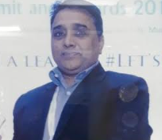

 |  |  |  |  |  |  |  | Mr. Anil Kr. Gupta (President)

 |  |  |  |  |  |  |  | 

 |  |  |  |  |  |  |  | Mr. Neeraj Sharma (G.M Operations)

HR | Commercial & Finance |  | Dispatch /SCM |  | Quality |  |  | Production |  |  | Moulding |  | Mixing/LAB |  | Maintenance (Head) |  |  | Technical
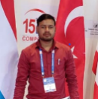 | 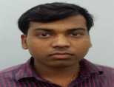 |  |  |  | 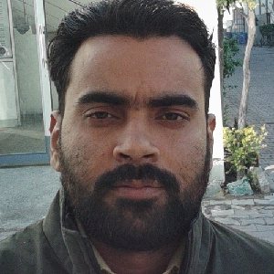 |  |  |  |  |  |  |  |  |  |  |  |  | 

Mr. Lachhman | Mr. Deelip |  | Mr. Manish Chaurasiya |  | Mr. Harish |  |  | Mr. Ajay kr. Jha |  |  |  |  | Mr. Ajit Singh |  |  | Vacant |  | Mr. Upender


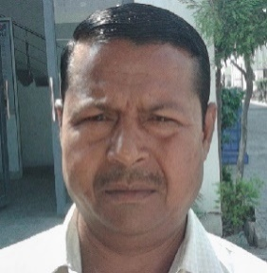
 |  |  |  |  |  |  |  |  |  |  |  |  |  |  | 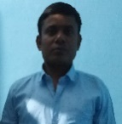 | 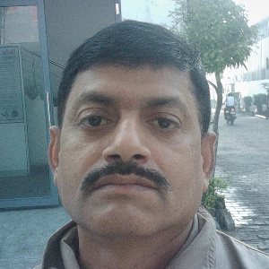 | 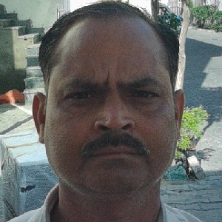

Mr. Rakesh | Mr. Neeraj Gupta | Vacant | Mr. Manish | Mr. Ranveer | Vacant (QMS) | Vacant (MR) | Vacant (Customer Handling) | Parbhakar (Vul. Supervisor) | Keshav (Extrution Sup.) | Vacant (Silicon Sup.) | Vacant (Day Sup.) | Vacant (Night Sup.) | Vacant (Mixing Sup) | Vacant (Lab Sup.) | Mr. Laxmi Narain (Elect.+maint.) | Mr. Sudhir (Electrician) | Mr. Ajad (Electrician)

 |  |  |  |  | Vacant (Extrution) | Vacant (Vulcunizer) | Vacant (Moulding)

Approved By:
Neeraj Sharma
Prepared By: Laxman

quality
 |  |  |  |  |  | EMDET JAMSHEDPUR PVT. LTD. |  |  |  |  |  |  |  |  |  | Section No. | QSM/C
 |  |  |  |  |  | Organization Chart – Plant |  |  |  |  |  |  |  |  |  | Revision No. | B
 |  |  |  |  |  |  |  |  |  |  |  |  |  |  |  | Effective Date | 2023-02-10

 |  |  |  |  |  |  |  | Mr. Ranjot Singh (MD)

 |  |  |  |  |  |  |  | Mr. Anil Kr. Gupta (President)

 |  |  |  |  |  |  |  | Mr. Neeraj Sharma (G.M Operations)

HR | Commercial & Finance |  | Dispatch /SCM |  | Quality |  |  | Production |  |  | Moulding |  | Mixing/LAB |  | Maintenance (Head) |  |  | Technical


Mr. Lachhman | Mr. Deelip |  | Mr. Manish Chaurasiya |  | Mr. Aas Mohmad |  |  | Mr. Ajay kr. Jha |  |  |  |  | Vacant |  |  | Vacant |  | Mr. Upender
 |  |  | a
 |  |  |  | 

Mr. Rakesh | Mr. Neeraj Gupta | Vacant | Mr. Manish | Mr. Ranveer | Vacant (QMS) | Vacant (MR) | Vacant (Customer Handling) | Parbhakar (Vul. Supervisor) | Keshav (Extrution Sup.) | Vacant (Silicon Sup.) | Vacant (Day Sup.) | Vacant (Night Sup.) | Vikash (Mixing Sup) | Vacant (Lab Sup.) | Mr. Laxmi Narain (Elect.+maint.) | Mr. Sudhir (Electrician) | Mr. Pramod (Electrician)

 |  |  |  |  | Vacant (Extrution) | Vacant (Vulcunizer) | Vacant (Moulding)

Approved By:
Neeraj Sharma
Prepared By: Laxman

